OFFER
HERSCHEL

Collection Name | NAME | COLOR DESC. | PHOTOS | CAT. | SUB. CAT. | CODE | EAN | Commodity Code | MADE | COMP. | SIZE | Q.TY AVAILALBE | ORDER | Wholesale | BOUTIQUE PRICE
Classics | Classic | Grey |  | BAGS | BACKPACKS | 10001-00006-OS | 828432004980 | 4202929190 | CAMBODIA | 600D POLY | OS | 241 |  | 23.00 € | 55.00 €
Classics | Settlement | Black Crosshatch/Black | 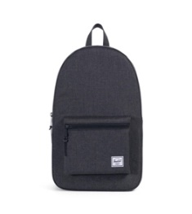 | BAGS | BACKPACKS | 10005-02093-OS | 828432210190 | 4202929190 | CHINA | 600D POLY | OS | 328 |  | 33.50 € | 80.00 €
Classics | Settlement | Rubber | 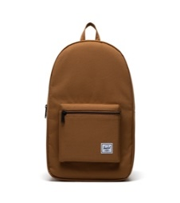 | BAGS | BACKPACKS | 10005-05033-OS | 828432515127 | 4202929190 | CHINA | 600D POLY | OS | 283 |  | 33.50 € | 80.00 €
Classics | Heritage | Raven Crosshatch 2 |  | BAGS | BACKPACKS | 10007-01132-OS | 828432100606 | 4202929190 | CAMBODIA | 100% Polyester | OS | 462 |  | 31.25 € | 75.00 €
Classics | Heritage | Black Crosshatch/Black |  | BAGS | BACKPACKS | 10007-02093-OS | 828432207510 | 4202929190 | CAMBODIA | 100% Polyester | OS | 120 |  | 31.25 € | 75.00 €
Classics | Heritage | Rubber |  | BAGS | BACKPACKS | 10007-05033-OS | 828432515042 | 4202929190 | CAMBODIA | 100% Polyester | OS | 78 |  | 31.25 € | 75.00 €
Classics | Herschel Little America | Woodland Camo | 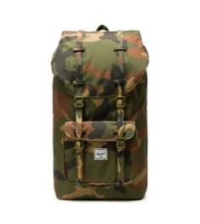 | BAGS | BACKPACKS | 10014-02232-OS | 828432210619 | 4202929190 | CAMBODIA | 100% Polyester | OS | 94 |  | 50.00 € | 120.00 €
Classics | Backpacks | Herschel Little America | Harvest Gold |  | Bags | Backpacks | 10014-05644-OS | 828432553846 | 4202929190 | CAMBODIA | 100% Polyester | OS | 186 |  | 50.00 € | 120.00 €
Classics | Herschel Little America | Cork |  | BAGS | BACKPACKS | 10014-05728-OS | 828432567379 | 4202929190 | CAMBODIA | 100% Polyester | OS | 105 |  | 50.00 € | 120.00 €
Classics | Herschel Little America | Warm Taupe/Black |  | BAGS | BACKPACKS | 10014-05749-OS | 828432567409 | 4202929190 | CAMBODIA | 100% Polyester | OS | 77 |  | 50.00 € | 120.00 €
Classics | Seventeen | Black Crosshatch |  | ACCESSORY | HIPSACK | 10017-02090-OS | 828432211579 | 4202229090 | CHINA | 100%Polyester | OS | 169 |  | 16.75 € | 40.00 €
Classics | Novel | Black Crosshatch |  | BAGS | DUFFLES | 10026-02090-OS | 828432208074 | 4202929190 | CAMBODIA | 100% Polyester | OS | 194 |  | 46.00 € | 110.00 €
Classics | Novel | Gargoyle |  | BAGS | DUFFLES | 10026-05643-OS | 828432554027 | 4202929190 | CAMBODIA | 100% Polyester | OS | 83 |  | 46.00 € | 110.00 €
Classics | Chapter | Ivy Green |  | ACCESSORY | ORGANIZER | 10039-04281-OS | 828432460069 | 4202929190 | VIETNAM | 600D Polyester | OS | 219 |  | 14.75 € | 34.99 €
Classics | Retreat | Raven Crosshatch 2 |  | BAGS | BACKPACKS | 10066-01132-OS | 828432123032 | 4202929190 | CHINA | 600D POLY | OS | 431 |  | 41.75 € | 100.00 €
Classics | Backpacks | Retreat | Black Crosshatch/Black | 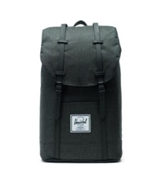 | Bags | Backpacks | 10066-02093-OS | 828432211906 | 4202929190 | CHINA | 600D POLY | OS | 138 |  | 41.75 € | 100.00 €
Classics | Retreat | Rubber | 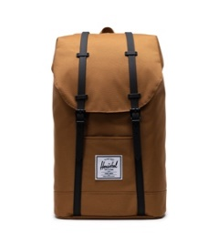 | BAGS | BACKPACKS | 10066-05033-OS | 828432515110 | 4202929190 | CHINA | 600D POLY | OS | 158 |  | 41.75 € | 100.00 €
Classics | Backpacks | Retreat | Harvest Gold |  | Bags | Backpacks | 10066-05644-OS | 828432553549 | 4202929190 | CHINA | 600D POLY | OS | 64 |  | 41.75 € | 100.00 €
Classics | Retreat | Dried Herb |  | BAGS | BACKPACKS | 10066-05730-OS | 828432567164 | 4202929190 | CHINA | 600D POLY | OS | 72 |  | 41.75 € | 100.00 €
Classics | Settlement Case | Raven Crosshatch |  | ACCESSORY | ORGANIZER | 10071-00919-OS | 828432119837 | 4202320090 | CAMBODIA | 100%Polyester | OS | 3,770 |  | 10.50 € | 25.00 €
Classics | Fifteen | Black Crosshatch |  | BAGS | HIPPACKS | 10215-02090-OS | 828432211432 | 4202229090 | CHINA | 100%Polyester | OS | 162 |  | 16.75 € | 40.00 €
Classics | Fifteen | Rubber | 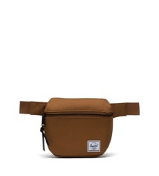 | BAGS | HIPSACK | 10215-05033-OS | 828432515172 | 4202229090 | CHINA | 100%Polyester | OS | 70 |  | 16.75 € | 40.00 €
Classics | Heritage Youth | Black/Saddle Brown |  | BAGS | BACKPACKS | 10312-02462-OS | 828432247660 | 4202929190 | CAMBODIA | 100% Polyester | OS | 123 |  | 25.00 € | 60.00 €
Classics | Charlie RFID | Black/Black |  | ACCESSORY | WALLETS | 10360-00535-OS | 828432376032 | 4202320000 | CHINA | 600D POLY | OS | 135 |  | 10.50 € | 25.00 €
Classics | Charlie RFID | Ash Rose |  | ACCESSORY | WALLETS | 10360-02077-OS | 828432212408 | 4202320000 | CHINA | 600D POLY | OS | 249 |  | 10.50 € | 25.00 €
Classics | Charlie RFID | Black Crosshatch | 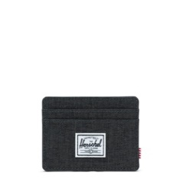 | ACCESSORY | WALLETS | 10360-02090-OS | 828432212422 | 4202320000 | CHINA | 600D POLY | OS | 176 |  | 10.50 € | 25.00 €
Classics | Charlie RFID | Ivy Green |  | ACCESSORY | WALLETS | 10360-04281-OS | 828432505258 | 4202320000 | CHINA | 600D POLY | OS | 413 |  | 10.50 € | 25.00 €
Classics | Charlie RFID | Rubber |  | ACCESSORY | WALLETS | 10360-05033-OS | 828432515196 | 4202320000 | CHINA | 600D POLY | OS | 199 |  | 10.50 € | 25.00 €
Classics | Roy RFID | Black/Black | 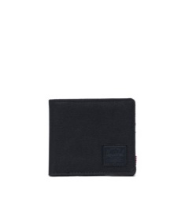 | ACCESSORY | WALLETS | 10363-00535-OS | 828432376346 | 4202320000 | CHINA | 600D POLY | OS | 169 |  | 12.50 € | 30.00 €
Classics | Roy RFID | Peacoat |  | ACCESSORY | WALLETS | 10363-01894-OS | 828432531929 | 4202320000 | CHINA | 600D POLY | OS | 85 |  | 12.50 € | 30.00 €
Classics | Roy RFID | Ivy Green |  | ACCESSORY | WALLETS | 10363-04281-OS | 828432505432 | 4202320000 | CHINA | 600D POLY | OS | 188 |  | 12.50 € | 30.00 €
Classics | Settlement Sprout | Black |  | BAGS | BACKPACKS | 10444-00001-OS | 828432209354 | 4202929190 | VIETNAM | 600D POLY | OS | 154 |  | 46.00 € | 110.00 €
Classics | Settlement Sprout | Ash Rose |  | BAGS | BACKPACKS | 10444-02077-OS | 828432320646 | 4202929190 | VIETNAM | 600D POLY | OS | 145 |  | 46.00 € | 110.00 €
Classics | Cruz | Raven Crosshatch |  | BAGS | CROSSBODY | 10510-00919-OS | 828432227563 | 4202929190 | CHINA | 100% PET POLYESTER | OS | 291 |  | 18.75 € | 45.00 €
Classics | Cruz | Ash Rose |  | BAGS | CROSSBODY | 10510-02077-OS | 828432227570 | 4202929190 | CHINA | 100% PET POLYESTER | OS | 83 |  | 18.75 € | 45.00 €
Classics | Fourteen | Ivy Green | 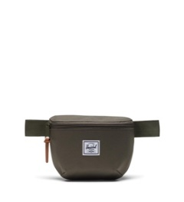 | BAGS | HIPSACK | 10514-04281-OS | 828432504008 | 4202229090 | CHINA | 100%Polyester | OS | 135 |  | 14.75 € | 35.00 €
Classics | Luggage Belt | Navy/Red |  | ACCESSORY | SPECIALTY | 10538-00018-OS | 828432213672 | 4202229090 | VIETNAM | PP | OS | 88 |  | 8.50 € | 20.00 €
Classics | Luggage Belt | Heather Grey |  | ACCESSORY | SPECIALTY | 10538-02256-OS | 828432213665 | 4202229090 | VIETNAM | PP | OS | 246 |  | 8.50 € | 20.00 €
Classics | Trade Carry On Large | Ash Rose | 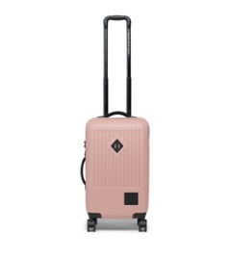 | LUGGAGE | LUGGAGE | 10602-01589-OS | 828432247042 | 4202125000 |  |  |  | 60 |  | 79.25 € | 189.99 €
Classics | Packable Daypack | Black |  | BAGS | BACKPACKS | 10614-01409-OS | 828432245628 | 4202929190 | CAMBODIA | 100% Polyester | OS | 1,558 |  | 16.75 € | 40.00 €
Classics | Elmer Beanie | Heather Light Gray |  | APPAREL | HEADWEAR | 1065-0478-OS | 828432142606 | 6505009090 | CHINA | 54%acrylic 46%polyester | OS | 816 |  | 10.50 € | 25.00 €
Classics | Elmer Beanie | Rubber | 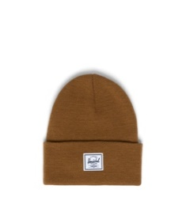 | APPAREL | HEADWEAR | 1065-1614-OS | 828432501335 | 6505009090 | CHINA | 54%acrylic 46%polyester | OS | 170 |  | 10.50 € | 25.00 €
Classics | Highland Carry On | Black | 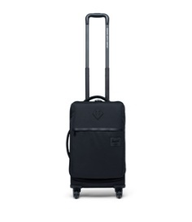 | LUGGAGE | LUGGAGE | 10670-00001-OS | 828432312269 | 4202125000 |  |  | OS | 63 |  | 71.00 € | 169.99 €
Classics | Highland Carry On | Raven Crosshatch |  | LUGGAGE | SOFTSHELL | 10670-00919-OS | 828432312290 | 4202125000 |  |  | OS | 67 |  | 71.00 € | 169.99 €
Classics | Highland Carry On Large | Raven Crosshatch | 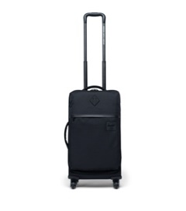 | LUGGAGE | LUGGAGE | 10671-00001-OS | 828432312337 | 4202125000 |  |  | OS | 59 |  | 79.25 € | 189.99 €
Classics | Tyler RFID | Black |  | ACCESSORY | WALLETS | 10691-00001-OS | 828432318605 | 4202320000 | CHINA | 600D Polyester | OS | 448 |  | 12.50 € | 29.99 €
Classics | Tyler RFID | Ash Rose |  | ACCESSORY | WALLETS | 10691-02077-OS | 828432318612 | 4202320000 | CHINA | 600D Polyester | OS | 239 |  | 12.50 € | 29.99 €
Classics | Nova Crossbody | Black |  | BAGS | CROSSBODY | 10727-00001-OS | 828432375578 | 4202929190 | VIETNAM | 600D POLY | OS | 50 |  | 21.00 € | 50.00 €
Classics | Roy Coin RFID | Black |  | ACCESSORY | WALLETS | 10766-00001-OS | 828432376414 | 4202320000 | CHINA | 600D POLY | OS | 399 |  | 14.75 € | 35.00 €
Classics | Roy Coin RFID | Navy/Red | 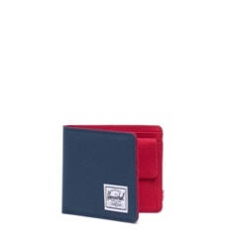 | ACCESSORY | WALLETS | 10766-00018-OS | 828432376469 | 4202320000 | CHINA | 600D POLY | OS | 169 |  | 14.75 € | 35.00 €
Classics | Roy Coin RFID | Black/Black |  | ACCESSORY | WALLETS | 10766-00535-OS | 828432376421 | 4202320000 | CHINA | 600D POLY | OS | 66 |  | 14.75 € | 35.00 €
Classics | Thomas RFID | Black/Black Crosshatch |  | ACCESSORY | WALLETS | 10769-03520-OS | 828432376728 | 4202320000 | CHINA | 600D POLY | OS | 814 |  | 25.00 € | 60.00 €
Classics | Orion Mini | Black | 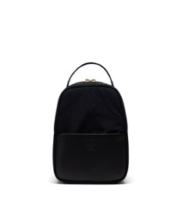 | BAGS | BACKPACKS | 10771-03608-OS | 828432371013 | 4202929190 | VIETNAM | NYLON/LEATHER | OS | 276 |  | 37.50 € | 90.00 €
Classics | Miller | Black | 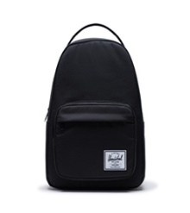 | BAGS | BACKPACKS | 10789-00001-OS | 828432414581 | 4202929190 | VIETNAM | 600D Polyester | OS | 67 |  | 31.50 € | 74.99 €
Classics | Miller | Navy/Red | 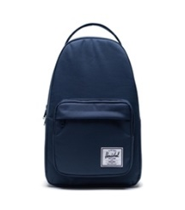 | BAGS | BACKPACKS | 10789-00007-OS | 828432414598 | 4202929190 | VIETNAM | 600D Polyester | OS | 189 |  | 31.50 € | 74.99 €
Classics | Miller | Raven Crosshatch | 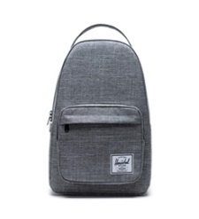 | BAGS | BACKPACKS | 10789-00919-OS | 828432414659 | 4202929190 | VIETNAM | 600D Polyester | OS | 387 |  | 31.50 € | 74.99 €
Classics | Bennett | Black | 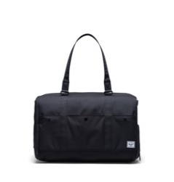 | BAGS | DUFFLES | 10791-00001-OS | 828432416196 | 4202929190 | VIETNAM | 600D Polyester | OS | 58 |  | 54.25 € | 129.99 €
Classics | Wheelie Oputfitter 70L | Black | 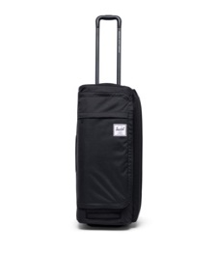 | LUGGAGE | LUGGAGE | 10866-00001-OS | 828432411504 | 4202125000 | VIETNAM | 100% Polyester | OS | 50 |  | 83.50 € | 200.00 €
Classics | Tech Backpack | Black | 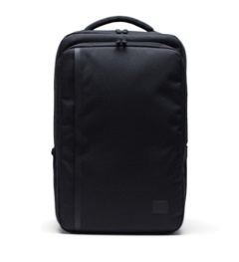 | BAGS | BACKPACKS | 10889-00001-OS | 828432443345 | 4202929190 | VIETNAM | 100% Polyester | OS | 911 |  | 54.25 € | 130.00 €
Classics | Travel Organizers | Black |  | ACCESSORY | ORGANIZER | 10907-00001-OS | 828432461035 | 4202929190 | VIETNAM | 70D Ripstop | OS | 80 |  | 18.00 € | 45.00 €
Classics | Tech Novel | Black | 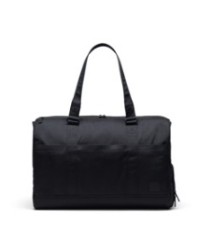 | BAGS | DUFFLES | 10916-00001-OS | 828432470921 | 4202929190 | VIETNAM | 600D Polyester |  | 50 |  | 58.50 € | 139.99 €
Seasonal Collections | Heritage | Forest Night |  | BAGS | BACKPACKS | 10968-04774-OS | 828432497584 | 4202929190 | VIETNAM | 100% Recycled Polyester | OS | 56 |  | 28.00 € | 70.00 €
Seasonal Collections | Heritage | Black 2 |  | BAGS | BACKPACKS | 10968-04775-OS | 828432497577 | 4202929190 | VIETNAM | 100% Recycled Polyester | OS | 396 |  | 28.00 € | 70.00 €
Seasonal Collections | Heritage | Ash Rose |  | BAGS | BACKPACKS | 10968-04776-OS | 828432497591 | 4202929190 | VIETNAM | 100% Recycled Polyester | OS | 104 |  | 33.50 € | 80.00 €
Seasonal Collections | City Mid-Volume | Ash Rose |  | BAGS | BACKPACKS | 10970-04776-OS | 828432497652 | 4202929190 | VIETNAM | 100% Recycled Polyester | OS | 68 |  | 28.00 € | 70.00 €
Seasonal Collections | Retreat | Black 2 | 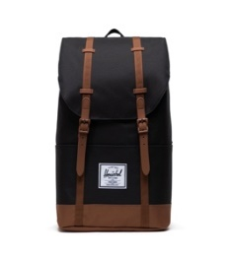 | BAGS | BACKPACKS | 10971-04775-OS | 828432497669 | 4202929190 | VIETNAM | 100% Recycled Polyester | OS | 55 |  | 46.00 € | 110.00 €
Seasonal Collections | Herschel Little America | Black 2 | 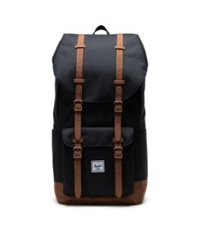 | BAGS | BACKPACKS | 10972-04775-OS | 828432497690 | 4202929190 | VIETNAM | 100% Recycled Polyester | OS | 153 |  | 54.25 € | 130.00 €
Seasonal Collections | Herschel Little America | Ash Rose | 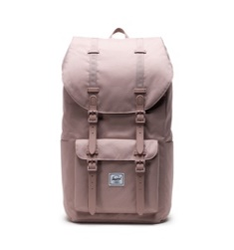 | BAGS | BACKPACKS | 10972-04776-OS | 828432497690 | 4202929190 | VIETNAM | 100% Recycled Polyester | OS | 67 |  | 54.25 € | 130.00 €
Seasonal Collections | Novel | Black 2 |  | BAGS | DUFFLES | 10973-04775-OS | 828432497720 | 4202929190 | VIETNAM | 100% Recycled Polyester | OS | 84 |  | 40.00 € | 100.00 €
Seasonal Collections | Herschel Heritage™ Mini Cooler Insulated | Black |  | ACCESSORY | SPECIALTY | 11067-00001-OS | 828432564866 | 4202229090 | VIETNAM | 100% Post-Consumer Recyle TPE | OS | 102 |  | 14.00 € | 35.00 €
Seasonal Collections | Pop Quiz Lunch Box Insulated | Black |  | ACCESSORY | SPECIALTY | 11070-00001-OS | 828432564910 | 4202229090 | VIETNAM | 100% Post-Consumer Recyle TPE | OS | 185 |  | 14.00 € | 35.00 €
Seasonal Collections | Pop Quiz Lunch Box Insulated | Ash Rose |  | ACCESSORY | SPECIALTY | 11070-02077-OS | 828432564927 | 4202229090 | VIETNAM | 100% Post-Consumer Recyle TPE | OS | 111 |  | 14.00 € | 35.00 €
Classics | Anchor Sleeve 13 Inch | Black |  | ACCESSORY | TECHSLVS | 11118-00165-OS | 828432540235 | 4202121100 | VIETNAM | 600D POLY | OS | 92 |  | 18.00 € | 45.00 €
Seasonal Collections | Charlie Cardholder Vegan Leather | Black |  | ACCESSORY | WALLETS | 11147-00001-OS | 828432554942 | 4202320000 | CHINA | VEGAN LEATHER | OS | 130 |  | 12.00 € | 30.00 €
Classics | Gordon RFID | Black |  | ACCESSORY | WALLETS | 11149-00001-OS | 828432555512 | 4202320000 | CHINA | 600D POLY | OS | 124 |  | 12.00 € | 30.00 €
Classics | Hank II RFID | Black/Black |  | ACCESSORY | WALLETS | 11150-00535-OS | 828432555659 | 4202320000 | CHINA | 600D POLY | OS | 72 |  | 14.00 € | 35.00 €
Classics | Hank II RFID | Raven Crosshatch 2 |  | ACCESSORY | WALLETS | 11150-01132-OS | 828432555710 | 4202320000 | CHINA | 600D POLY | OS | 72 |  | 14.00 € | 35.00 €
Classics | Hank II RFID | Black/Chicory Coffee |  | ACCESSORY | WALLETS | 11150-05634-OS | 828432555666 | 4202320000 | CHINA | 600D POLY | OS | 88 |  | 14.00 € | 35.00 €
Classics | Oscar II RFID | Black |  | ACCESSORY | WALLETS | 11153-00001-OS | 828432555321 | 4202320000 | CHINA | 600D POLY | OS | 123 |  | 16.00 € | 40.00 €
 |  |  |  |  |  |  |  |  |  |  |  | 19,511 | 0

